DUET 3 6HC
Type | Component | Column1 | Duet IO | Duet Pin | AWG | Wire Length cm
PSU | PSU 12V | gnd | OUT 0 POWER IN | GND | 18
PSU | PSU 12V | 12V | OUT 0 POWER IN | V_OUT0 | 18
PSU | PSU | gnd | POWER IN | GND | 18
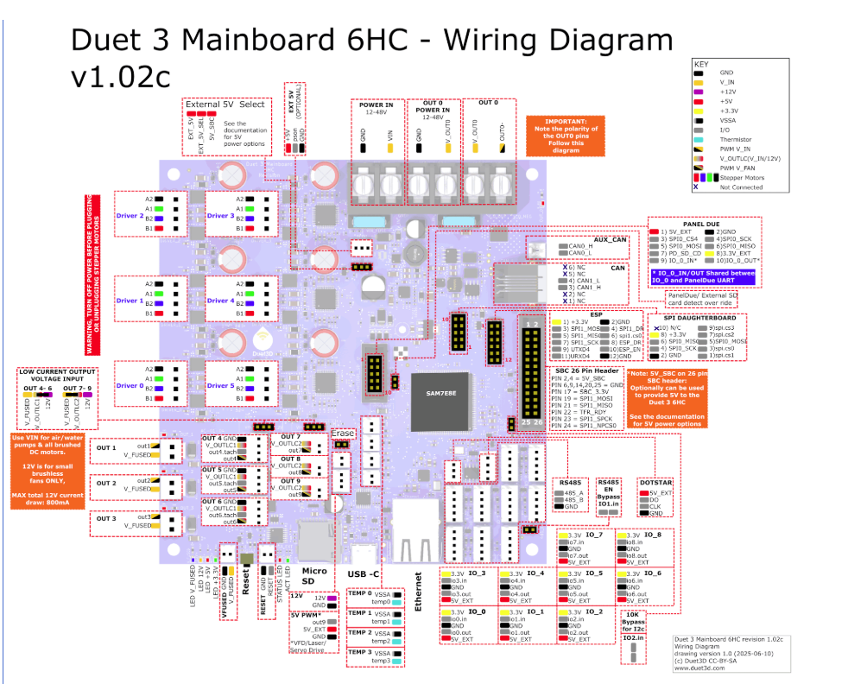
PSU | PSU | 24V | POWER IN | VIN | 18
RGB | Fan RGB | 12V | DOTSTAR | 5V_EXT | 24
RGB | Fan RGB | do | DOTSTAR | DO | 24
RGB | Fan RGB | gnd | DOTSTAR | GND | 24
Stepper | A-Motor | a- | DRIVER 0 | A2 | 24 | 110
Stepper | A-Motor | a+ | DRIVER 0 | A1 | 24 | 110
Stepper | A-Motor | b- | DRIVER 0 | B2 | 24 | 110
Stepper | A-Motor | b+ | DRIVER 0 | B1 | 24 | 110
Stepper | B-Motor | a- | DRIVER 1 | A2 | 24 | 110
Stepper | B-Motor | a+ | DRIVER 1 | A1 | 24 | 110
Stepper | B-Motor | b- | DRIVER 1 | B2 | 24 | 110
Stepper | B-Motor | b+ | DRIVER 1 | B1 | 24 | 110
Stepper | E-Motor | a- | DRIVER 2 | A2 | 24 | 110
Stepper | E-Motor | a+ | DRIVER 2 | A1 | 24 | 110
Stepper | E-Motor | b- | DRIVER 2 | B2 | 24 | 110
Stepper | E-Motor | b+ | DRIVER 2 | B1 | 24 | 110
Stepper | Z-Motor A | a- | DRIVER 3 | A2 | 24 | 110
Stepper | Z-Motor A | a+ | DRIVER 3 | A1 | 24 | 110
Stepper | Z-Motor A | b- | DRIVER 3 | B2 | 24 | 110
Stepper | Z-Motor A | b+ | DRIVER 3 | B1 | 24 | 110
Stepper | Z-Motor B | a- | DRIVER 4 | A2 | 24 | 110
Stepper | Z-Motor B | a+ | DRIVER 4 | A1 | 24 | 110
Stepper | Z-Motor B | b- | DRIVER 4 | B2 | 24 | 110
Stepper | Z-Motor B | b+ | DRIVER 4 | B1 | 24 | 110
Stepper | Z-Motor Rear | a- | DRIVER 5 | A2 | 24 | 110
Stepper | Z-Motor Rear | a+ | DRIVER 5 | A1 | 24 | 110
Stepper | Z-Motor Rear | b- | DRIVER 5 | B2 | 24 | 110
Stepper | Z-Motor Rear | b+ | DRIVER 5 | B1 | 24 | 110
Sensor | Nozzle Probe | signal | IO_5 | io4.in | 24
Sensor | Nozzle Probe | gnd | IO_5 | GND | 24
Sensor | FREE |  | IO_1
Sensor | FREE |  | IO_1
Sensor | Anvil |  | IO_2 |  | 24
Sensor | Anvil |  | IO_2 |  | 24
Sensor | ROS | signal | IO_3 | io3.in | 24 | 110
Sensor | ROS | gnd | IO_3 | GND | 24 | 110
Sensor | FZ Probe | signal | IO_4 | io4.in | 24 | 110
Sensor | FZ Probe | gnd | IO_4 | GND | 24 | 110
board | ESP32 |  |  |  | 24
board | ESP32 |  |  |  | 24
Sensor | dht22 | 3.3v | IO_6 | 3.3v | 24 | 50
Sensor | dht22 | gnd | IO_6 | GND | 24 | 50
Sensor | dht22 | dat | IO_6 | io6.out | 24 | 50
 | FREE |  | IO_7
 | FREE |  | IO_7
 | FREE |  | IO_8
 | FREE |  | IO_8
SSR | CPAP Fan | + | OUT 0 | V_OUT0 | 24 | 50 | NC
SSR | CPAP Fan | - | OUT 0 | OUT0- | 24 | 50 | NC
Cartridge | Heater Hotend | + | OUT 1 | V_FUSED | 18 | 110
Cartridge | Heater Hotend | - | OUT 1 | out1 | 18 | 110
SSR | SSR dbx | + | OUT 2 | V_FUSED | 24 | 50
SSR | SSR dbx | - | OUT 2 | out2 | 24 | 50
SSR | SSR Bed | + | OUT 3 | V_FUSED | 24 | 50
SSR | SSR Bed | - | OUT 3 | out3 | 24 | 50
Fan | SSR Chamber | + | OUT 4 | V_OUTLC1
Fan | SSR Chamber | - | OUT 4 | out4
Buffer | Filament Buffer | VIN | OUT 5 | GND
Buffer | Filament Buffer | gnd | OUT 5 | V_OUTLC1
Pump | Pump LC | tacho | OUT 5 | out5.tach
Pump | Pump LC | pwm | OUT 5 | out5
12V | Fan & Pump | - | OUT 6 | GND | 24 | 110
12V | Fan & Pump | + | OUT 6 | V_OUTLC1 | 24 | 110
Fan | Fan Radiator | tacho | OUT 6 | out6.tach
Fan | Fan Radiator | pwm | OUT 6 | out6
Fan | Fan dbx | + | OUT 7 | V_OUTLC2 | 24 | 110
Fan | Fan dbx | - | OUT 7 | out7 | 24 | 110
Fan | Fan Chamber | + | OUT 8 | V_OUTLC2 | 24 | 110
Fan | Fan Chamber | - | OUT 8 | out8 | 24 | 110
Sensor | LC Flowmeter | + | OUT 9 | V_OUTLC2 | 24 | 110
Sensor | LC Flowmeter | - | OUT 9 | out9 | 24 | 110
NTC 3950 | Temp Bed | a | TEMP 0 | VSSA | 24 | 100
NTC 3950 | Temp Bed | b | TEMP 0 | temp0 | 24 | 100
PT1000 | Temp Nozzle | a | TEMP 1 | VSSA | 24 | 110
PT1000 | Temp Nozzle | b | TEMP 1 | temp1 | 24 | 110
NTC 3950 | Temp Chamber | a | TEMP 2 | VSSA | 24 | 100
NTC 3950 | Temp Chamber | b | TEMP 2 | temp2 | 24 | 100
NTC 3950 | Temp E-Motor | a | TEMP 3 | VSSA | 24 | 110
NTC 3950 | Temp E-Motor | b | TEMP 3 | temp3 | 24 | 110

SKR Super8
Type | Component | ident | super 8 IO | super 8 Pin | AWG | Wire Length cm |  | Notes
Power in Drive Low |  | + | 10 |  |  |  |  | RRF set up
Power in Drive Low |  | - | 9 |  |  |  |  | No Dot Star
Power in Drive High |  | + | 8 |  |  |  | $15 | wifi and Ehernet board Options | https://www.aliexpress.com/item/1005008057209665.html?
Power in Drive High |  | - | 7 |  |  |  |  | PT 1000 on ADC
Power In Board |  | + | 6
Power In Board |  | - | 5
Power In Bed |  | + | 4
Power In Bed |  | - | 3
Bed Out |  | + | 2
Bed Out |  | - | 1

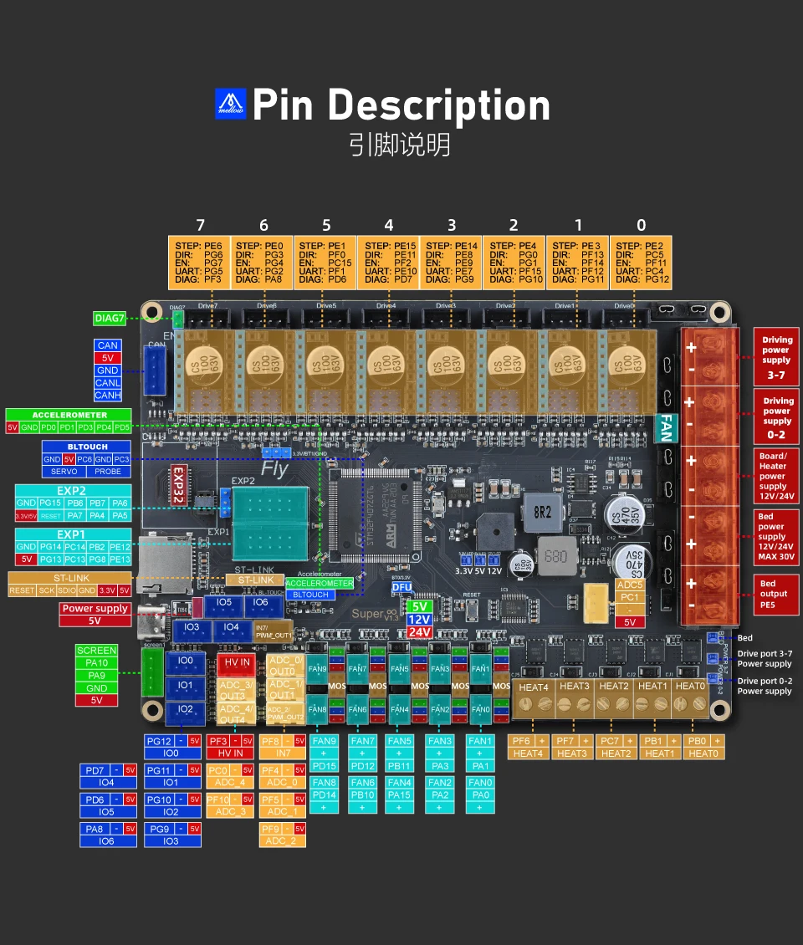
Stepper | A-Motor | a- | DRIVER 0 | A2 | 24
Stepper | A-Motor | a+ | DRIVER 0 | A1 | 24
Stepper | A-Motor | b- | DRIVER 0 | B2 | 24
Stepper | A-Motor | b+ | DRIVER 0 | B1 | 24
Stepper | B-Motor | a- | DRIVER 1 | A2 | 24
Stepper | B-Motor | a+ | DRIVER 1 | A1 | 24
Stepper | B-Motor | b- | DRIVER 1 | B2 | 24
Stepper | B-Motor | b+ | DRIVER 1 | B1 | 24
Stepper | E-Motor | a- | DRIVER 2 | A2 | 24
Stepper | E-Motor | a+ | DRIVER 2 | A1 | 24
Stepper | E-Motor | b- | DRIVER 2 | B2 | 24
Stepper | E-Motor | b+ | DRIVER 2 | B1 | 24
Stepper | Z-Motor A | a- | DRIVER 3 | A2 | 24
Stepper | Z-Motor A | a+ | DRIVER 3 | A1 | 24
Stepper | Z-Motor A | b- | DRIVER 3 | B2 | 24
Stepper | Z-Motor A | b+ | DRIVER 3 | B1 | 24
Stepper | Z-Motor B | a- | DRIVER 4 | A2 | 24
Stepper | Z-Motor B | a+ | DRIVER 4 | A1 | 24
Stepper | Z-Motor B | b- | DRIVER 4 | B2 | 24
Stepper | Z-Motor B | b+ | DRIVER 4 | B1 | 24
Stepper | Z-Motor Rear | a- | DRIVER 5 | A2 | 24
Stepper | Z-Motor Rear | a+ | DRIVER 5 | A1 | 24
Stepper | Z-Motor Rear | b- | DRIVER 5 | B2 | 24
Stepper | Z-Motor Rear | b+ | DRIVER 5 | B1 | 24
Stepper | spare | a- | DRIVER 6
Stepper | spare | a+ | DRIVER 6
Stepper | spare | b- | DRIVER 6
Stepper | spare | b+ | DRIVER 6
Stepper | spare | a- | DRIVER 7
Stepper | spare | a+ | DRIVER 7
Stepper | spare | b- | DRIVER 7
Stepper | spare | b+ | DRIVER 7
 |  |  | Heat0
 |  |  | Heat0
Cartridge | Heater Hotend | + | Heat1
Cartridge | Heater Hotend | - | Heat1
 |  |  | Heat2
 |  |  | Heat2
 |  |  | Heat3
 |  |  | Heat3
 |  |  | Heat4
 |  |  | Heat4
Fan |  | + | Fan0 | VCC/12/5
Fan |  | - | Fan0 | VCC/12/5
Fan |  | + | Fan1 | VCC/12/5
Fan |  | - | Fan1 | VCC/12/5
Fan |  | + | Fan2 | VCC/12/5
Fan |  | - | Fan2 | VCC/12/5
Fan |  | + | Fan3 | VCC/12/5
Fan |  | - | Fan3 | VCC/12/5
Fan |  | + | Fan4 | VCC/12/5
Fan |  | - | Fan4 | VCC/12/5
Fan |  | + | Fan5 | VCC/12/5
Fan |  | - | Fan5 | VCC/12/5
Fan |  | + | Fan6 | VCC/12/5
Fan |  | - | Fan6 | VCC/12/5
Fan |  | + | Fan7 | VCC/12/5
Fan |  | - | Fan7 | VCC/12/5
Fan |  | + | Fan8 | VCC/12/5
Fan |  | - | Fan8 | VCC/12/5
Fan |  | + | Fan9 | VCC/12/5
Fan |  | - | Fan9 | VCC/12/5
Fan |  | + | Fan | alway live
Fan |  | - | Fan | alway live
i/o |  | + | I/o1
i/o |  | - | I/o1
i/o |  | i/o | I/o1
i/o |  | + | I/o2
i/o |  | - | I/o2
i/o |  | i/o | I/o2
i/o |  | + | I/o3
i/o |  | - | I/o3
i/o |  | i/o | I/o3
i/o |  | + | I/o4
i/o |  | - | I/o4
i/o |  | i/o | I/o4
i/o |  | + | I/o5
i/o |  | - | I/o5
i/o |  | i/o | I/o5
i/o |  | + | I/o6
i/o |  | - | I/o6
i/o |  | i/o | I/o6
i/o |  | + | IN7
i/o |  | - | IN7
i/o |  | i | IN7
ADC |  | + | ADC1
ADC |  | - | ADC1 | Thermistors
ADC |  | i | ADC1 | Thermistors
ADC |  | + | ADC2
ADC |  | - | ADC2 | Thermistors
ADC |  | i | ADC2 | Thermistors
ADC |  | + | ADC3
ADC |  | - | ADC3 | Thermistors
ADC |  | i | ADC3 | Thermistors
ADC |  | + | ADC4
ADC |  | - | ADC4 | Thermistors
ADC |  | i | ADC4 | Thermistors
ADC |  | + | ADC5/out5
ADC |  | - | ADC5/out5 | Bed Thermistor
ADC |  | i | ADC5/out5 | Bed Thermistor
HV in |  | + | HV in
HV in |  | - | HV in
HV in |  | i | HV in
BL Touch |  | GND | Servo
BL Touch |  | 5v | Servo
BL Touch |  | PC6 | Servo
BL Touch |  | GND | Probe
BL Touch |  | PC3 | Probe
Accelerometer |  | 5V | Accelerometer
Accelerometer |  | GND | Accelerometer
Accelerometer |  | PD0 | Accelerometer
Accelerometer |  | PD1 | Accelerometer
Accelerometer |  | PD3 | Accelerometer
Accelerometer |  | PD4 | Accelerometer
Accelerometer |  | PD5 | Accelerometer
ST Link |  | Reset | ST Link
ST Link |  | PA14 | ST Link
ST Link |  | PA13 | ST Link
ST Link |  | GND | ST Link
ST Link |  | 3.3V | ST Link
ST Link |  | 5V | ST Link
Screen |  | PA10 | Screen
Screen |  | PA9 | Screen
Screen |  | GND | Screen
Screen |  | V5 | Screen

Sensor | Nozzle Probe | signal | IO_5 | io4.in
Sensor | Nozzle Probe | gnd | IO_5 | GND
 | FREE |  | IO_1
 | FREE |  | IO_1
 | FREE |  | IO_2
 | FREE |  | IO_2
Sensor | ROS | signal | IO_3 | io3.in | 24 | 110
Sensor | ROS | gnd | IO_3 | GND | 24 | 110
Sensor | FZ Probe | signal | IO_4 | io4.in | 24 | 110
Sensor | FZ Probe | gnd | IO_4 | GND | 24 | 110
board | ESP32
board | ESP32
Sensor | dht22 | 3.3v | IO_6 | 3.3v | 24 | 50
Sensor | dht22 | gnd | IO_6 | GND | 24 | 50
Sensor | dht22 | dat | IO_6 | io6.out | 24 | 50
 | FREE |  | IO_7
 | FREE |  | IO_7
 | FREE |  | IO_8
 | FREE |  | IO_8
SSR | SSR Chamber | + | OUT 0 | V_OUT0 | 24 | 50
SSR | SSR Chamber | - | OUT 0 | OUT0- | 24 | 50

SSR | SSR dbx | + | OUT 2 | V_FUSED | 24 | 50
SSR | SSR dbx | - | OUT 2 | out2 | 24 | 50
SSR | SSR Bed | + | OUT 3 | V_FUSED | 24 | 50
SSR | SSR Bed | - | OUT 3 | out3 | 24 | 50
Fan | Fan Part | + | OUT 4 | V_OUTLC1
Fan | Fan Part | - | OUT 4 | out4
Buffer | Filament Buffer | VIN | OUT 5 | GND
Buffer | Filament Buffer | gnd | OUT 5 | V_OUTLC1
Pump | Pump LC | rpm | OUT 5 | out5.tach
Pump | Pump LC | pwm | OUT 5 | out5
12V | Fan & Pump | - | OUT 6 | GND | 24 | 110
12V | Fan & Pump | + | OUT 6 | V_OUTLC1 | 24 | 110
Fan | Fan Radiator | tacho | OUT 6 | out6.tach
Fan | Fan Radiator | pwm | OUT 6 | out6
Fan | Fan dbx | + | OUT 7 | V_OUTLC2 | 24 | 110
Fan | Fan dbx | - | OUT 7 | out7 | 24 | 110
Fan | Fan Chamber | + | OUT 8 | V_OUTLC2 | 24 | 110
Fan | Fan Chamber | - | OUT 8 | out8 | 24 | 110
Sensor | LC Flowmeter | + | OUT 9 | V_OUTLC2 | 24 | 110
Sensor | LC Flowmeter | - | OUT 9 | out9 | 24 | 110
 | Temp Bed | a | TEMP 0 | VSSA | 24 | 100
 | Temp Bed | b | TEMP 0 | temp0 | 24 | 100
PT1000 | Temp Nozzle | a | TEMP 1 | VSSA | 24 | 110
PT1000 | Temp Nozzle | b | TEMP 1 | temp1 | 24 | 110
 | Temp Chamber | a | TEMP 2 | VSSA | 24 | 100
 | Temp Chamber | b | TEMP 2 | temp2 | 24 | 100
 | Temp E-Motor | a | TEMP 3 | VSSA | 24 | 110
 | Temp E-Motor | b | TEMP 3 | temp3 | 24 | 110

